Sheet1
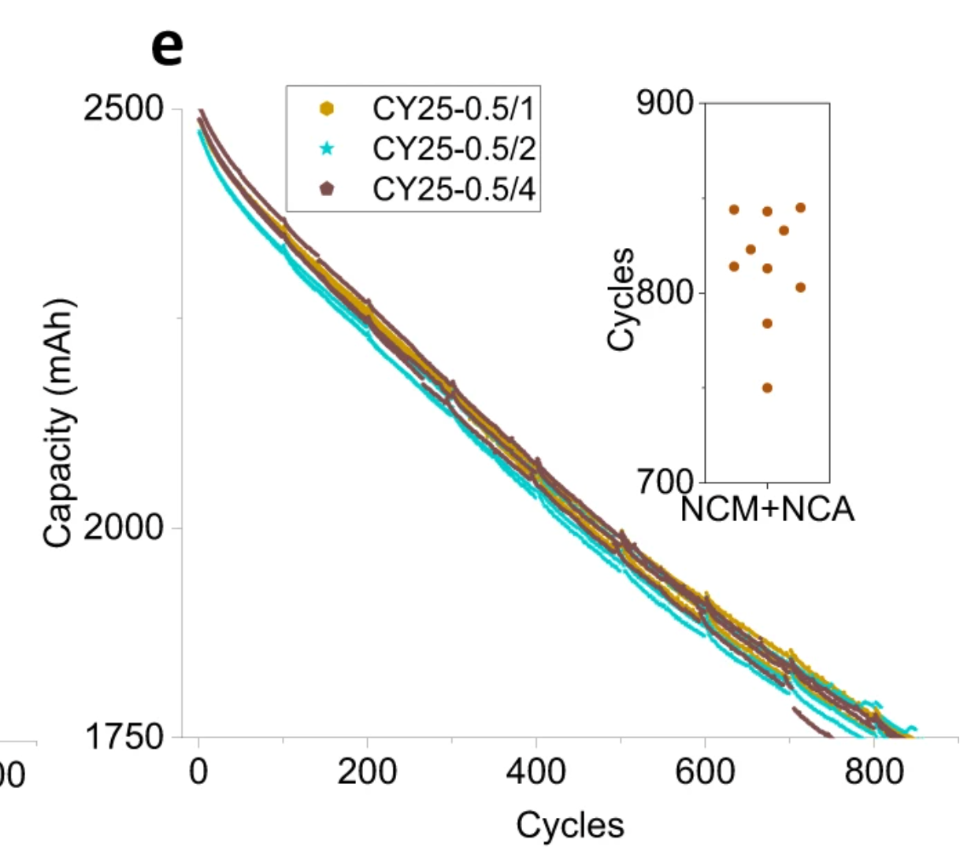
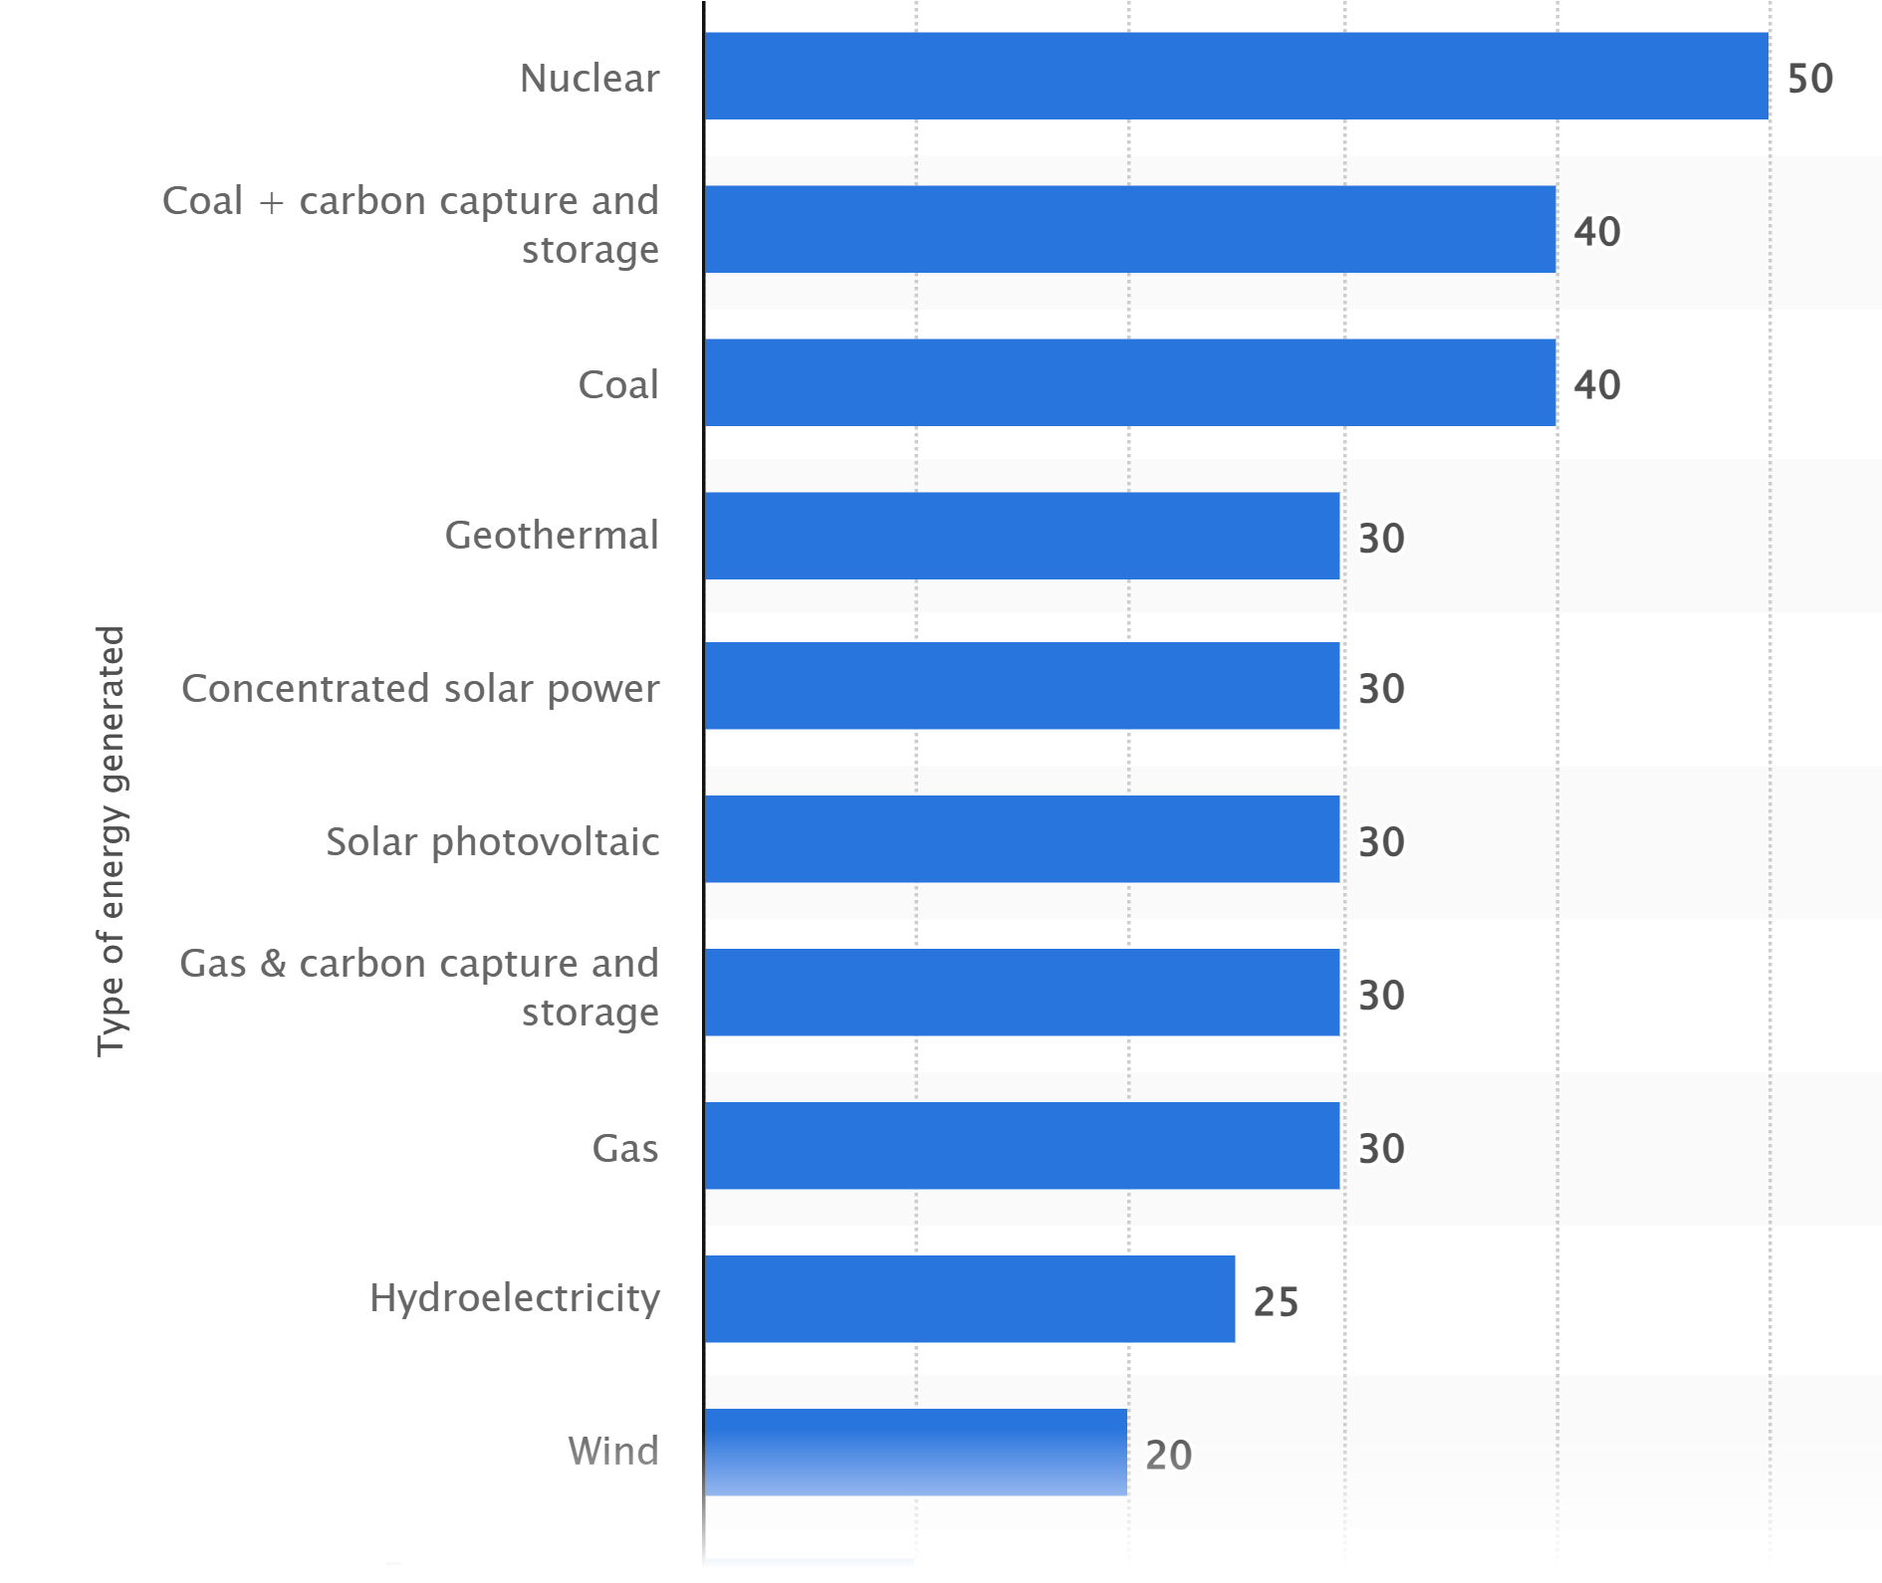
 |  |  |  |  |  |  | Energy sources and power plants lifetime by type | Statista
 | Solar | Wind | Nuclear | Gas | Coal | Storage
 | 30 | 20 | 50 | 39 | 40 | 800

Battery decays to about 71% in 800 cycles.
It is assumed that this is the point at which a battery cell will be replaced.
Fig. 1: Battery cycling data. | Nature Communications

